Analytics screenshots
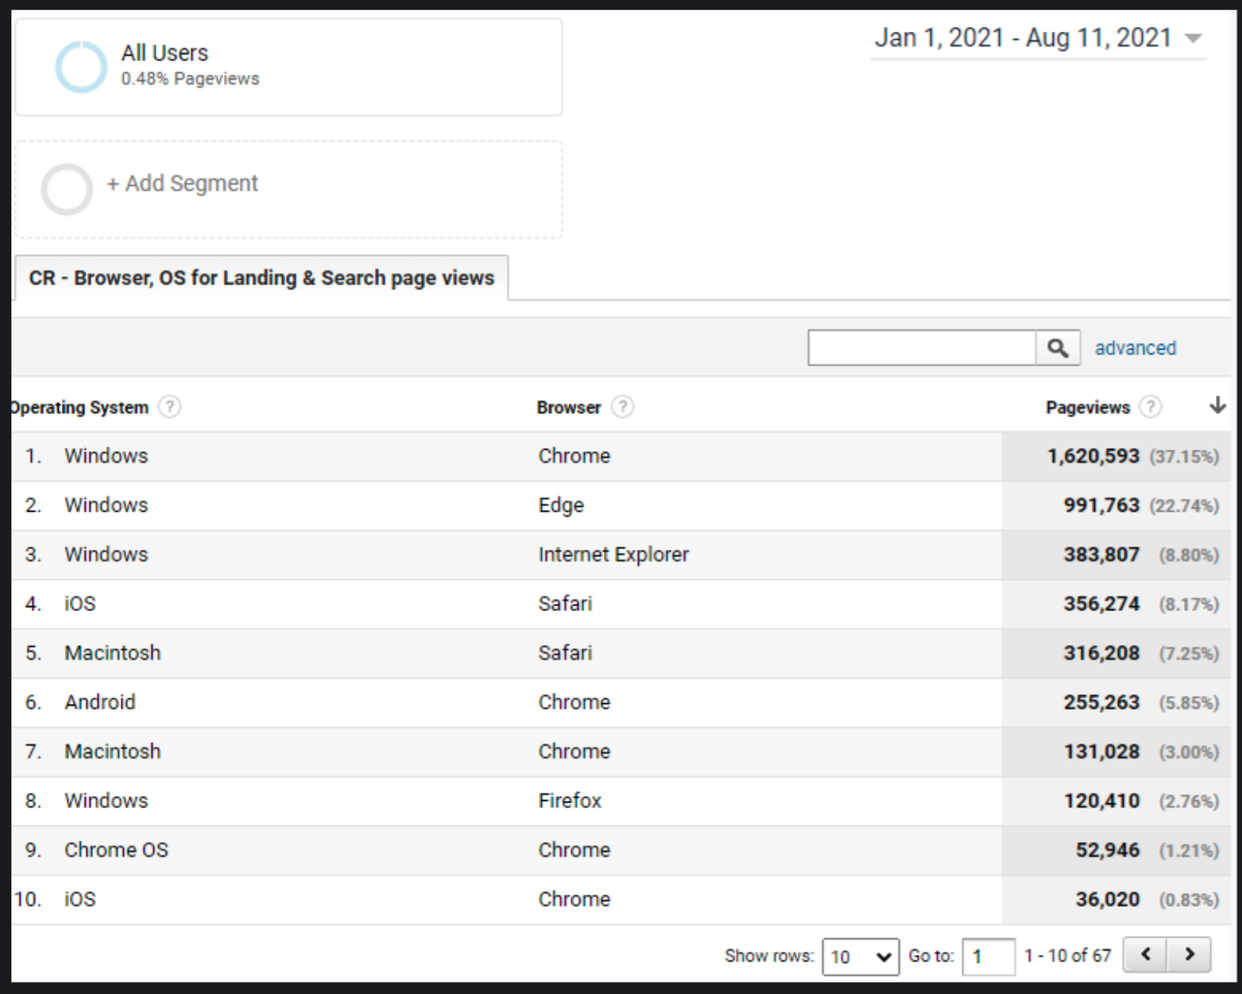
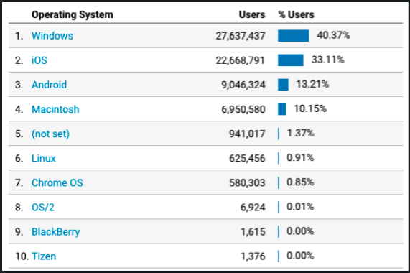
All of VA.gov:

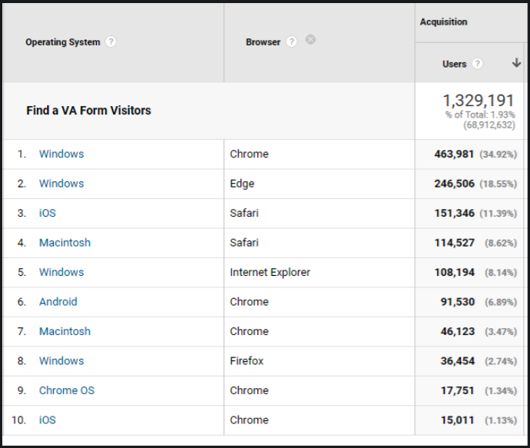
Find a Form visitors:

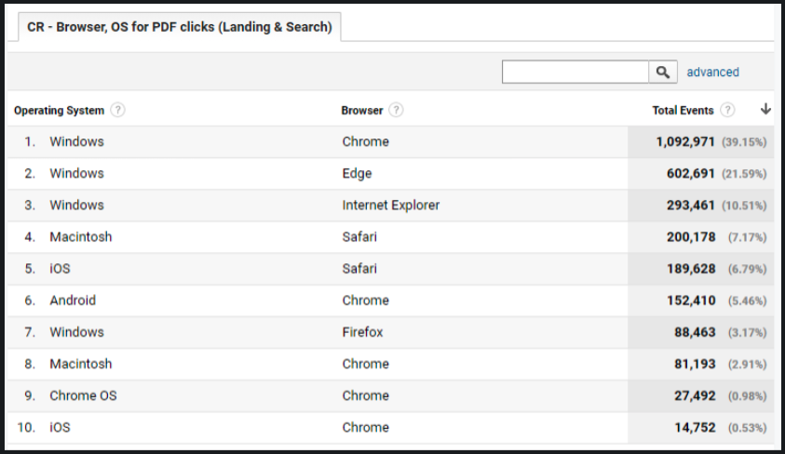
Find a Form clicks on Download link on search results page and form detail pages:

Find a Form clicks on Download link on only search results page (less common way to download):

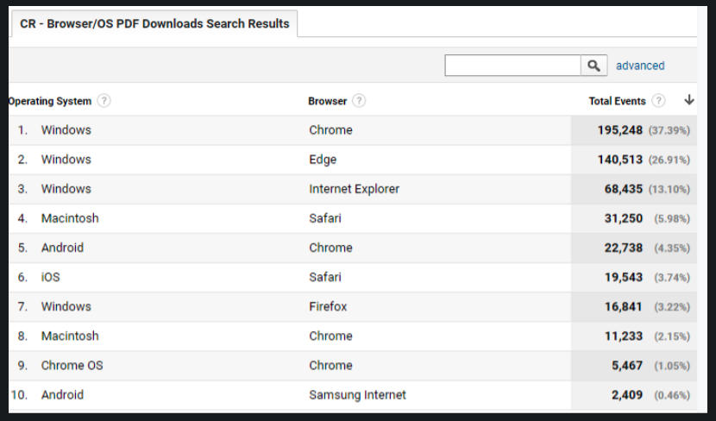

Find a Form--landing & search page views

